Price List
Gili Gede Beachfront Land for Sale Price List (Freehold)

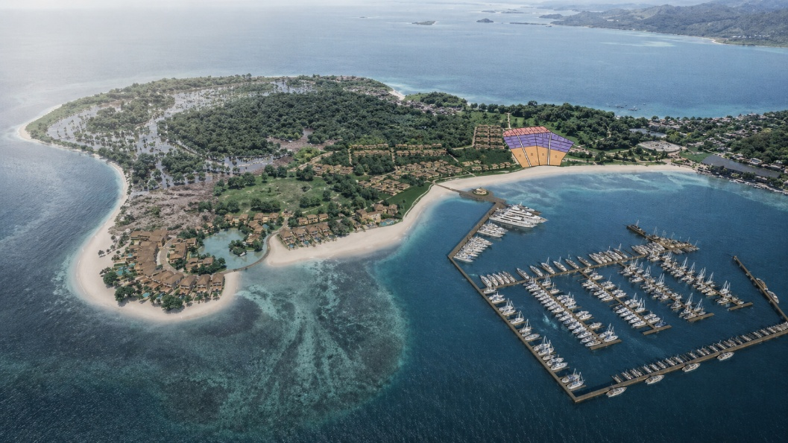
Plot | M2 | IDR_per_M2 | IDR_Total | USD_per_M2 | USD_Total
#1-01 | 949 | 500,000 | 474,500,000 | 29.411764706 | 27,912
#1-02 | 690 | 500,000 | 345,000,000 | 29.411764706 | 20,294
#1-03 | 710 | 500,000 | 355,000,000 | 29.411764706 | 20,882
#1-04 | 696 | 500,000 | 348,000,000 | 29.411764706 | 20,471
#1-05 | 673 | 500,000 | 336,500,000 | 29.411764706 | 19,794
#1-06 | 651 | 500,000 | 325,500,000 | 29.411764706 | 19,147
#1-07 | 627 | 500,000 | 313,500,000 | 29.411764706 | 18,441
#1-08 | 570 | 500,000 | 285,000,000 | 29.411764706 | 16,765
#1-09 | 503 | 500,000 | 251,500,000 | 29.411764706 | 14,794
#1-10 | 426 | 500,000 | 213,000,000 | 29.411764706 | 12,529
#1-11 | 313 | 500,000 | 156,500,000 | 29.411764706 | 9,206
#1-12 | 725 | 1,000,000 | 725,000,000 | 58.823529412 | 42,647
#1-13 | 808 | 1,000,000 | 808,000,000 | 58.823529412 | 47,529
#1-14 | 890 | 1,000,000 | 890,000,000 | 58.823529412 | 52,353
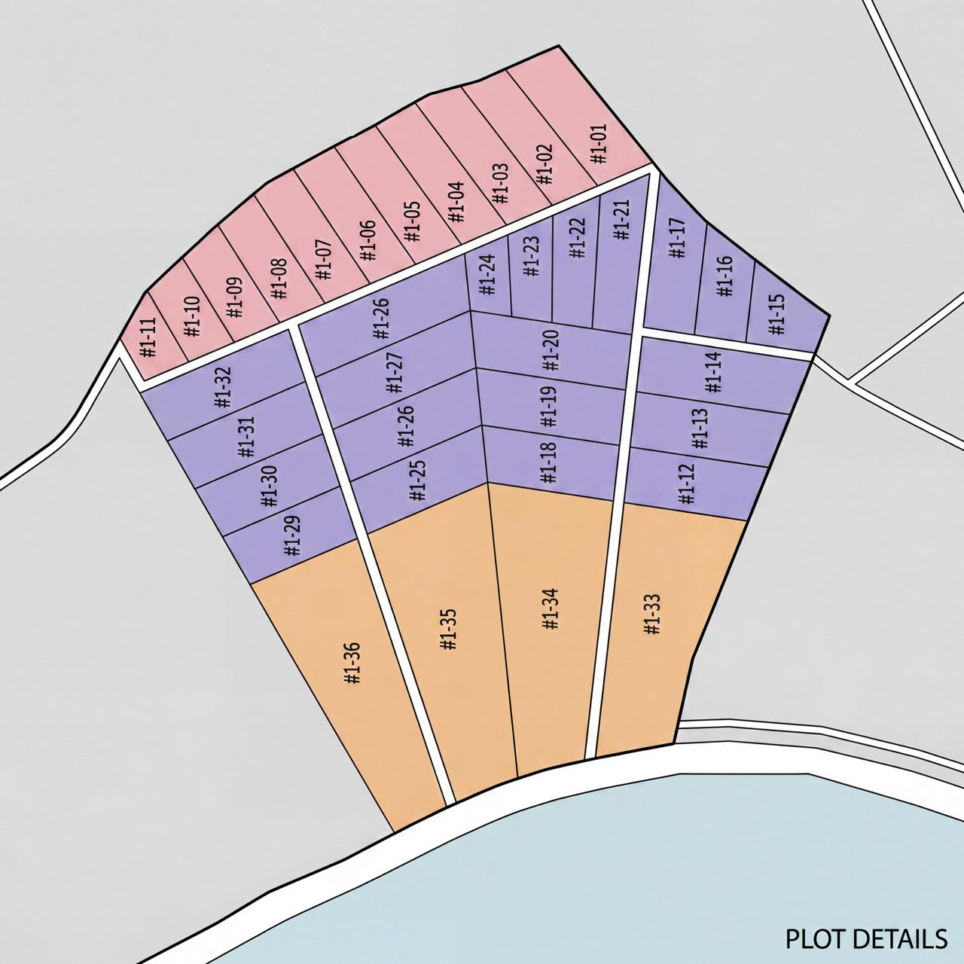
#1-15 | 456 | 1,000,000 | 456,000,000 | 58.823529412 | 26,824
#1-16 | 500 | 1,000,000 | 500,000,000 | 58.823529412 | 29,412
#1-17 | 681 | 1,000,000 | 681,000,000 | 58.823529412 | 40,059
#1-18 | 724 | 1,000,000 | 724,000,000 | 58.823529412 | 42,588
#1-19 | 790 | 1,000,000 | 790,000,000 | 58.823529412 | 46,471
#1-20 | 856 | 1,000,000 | 856,000,000 | 58.823529412 | 50,353
#1-21 | 634 | 1,000,000 | 634,000,000 | 58.823529412 | 37,294
#1-22 | 511 | 1,000,000 | 511,000,000 | 58.823529412 | 30,059
#1-23 | 398 | 1,000,000 | 398,000,000 | 58.823529412 | 23,412
#1-24 | 291 | 1,000,000 | 291,000,000 | 58.823529412 | 17,118
#1-25 | 732 | 1,000,000 | 732,000,000 | 58.823529412 | 43,059
#1-26 | 798 | 1,000,000 | 798,000,000 | 58.823529412 | 46,941
#1-27 | 864 | 1,000,000 | 864,000,000 | 58.823529412 | 50,824
#1-28 | 930 | 1,000,000 | 930,000,000 | 58.823529412 | 54,706
#1-29 | 654 | 1,000,000 | 654,000,000 | 58.823529412 | 38,471
#1-30 | 713 | 1,000,000 | 713,000,000 | 58.823529412 | 41,941
#1-31 | 773 | 1,000,000 | 773,000,000 | 58.823529412 | 45,471
#1-32 | 832 | 1,000,000 | 832,000,000 | 58.823529412 | 48,941
#1-33 | 2293 | 1,500,000 | 3,439,500,000 | 88.235294118 | 202,324
#1-34 | 2625 | 1,500,000 | 3,937,500,000 | 88.235294118 | 231,618
#1-35 | 2942 | 1,500,000 | 4,413,000,000 | 88.235294118 | 259,588
#1-36 | 2460 | 1,500,000 | 3,690,000,000 | 88.235294118 | 217,059

